HOT 2.2 2024 Tariffs
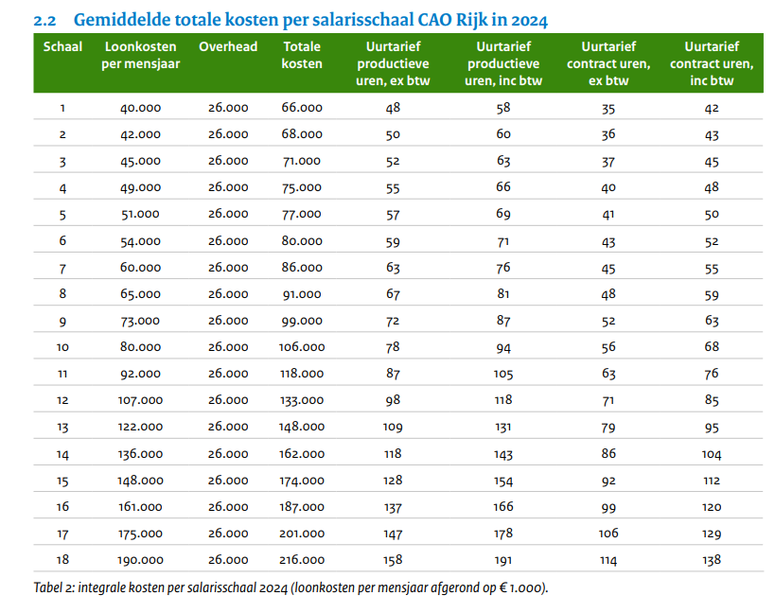
 |  |  |  | # of productive hours for 1 FTE
 |  |  |  | 1364

Schaal | Loonkosten per mensjaar | Overhead | Totale kosten | Uurtarief productieve uren, ex btw
1 | 40000 | 26000 | 66000 | 48
2 | 42000 | 26000 | 68000 | 50
3 | 45000 | 26000 | 71000 | 52
4 | 49000 | 26000 | 75000 | 55
5 | 51000 | 26000 | 77000 | 57
6 | 54000 | 26000 | 80000 | 59
7 | 60000 | 26000 | 86000 | 63
8 | 65000 | 26000 | 91000 | 67
9 | 73000 | 26000 | 99000 | 72
10 | 80000 | 26000 | 106000 | 78
11 | 92000 | 26000 | 118000 | 87
12 | 107000 | 26000 | 133000 | 98
13 | 122000 | 26000 | 148000 | 109
14 | 136000 | 26000 | 162000 | 118
15 | 148000 | 26000 | 174000 | 128
16 | 161000 | 26000 | 187000 | 137

Maximum scale conform the call for proposals is scale 16

